Sheet3
 |  |  | n
 |  | Total of Examination | 30

No. of severe cases(X) | Probability of having a S.Case | nCx | p^x | n-x | (1-p)^n-x | B. probabilities | F(x)
1 | 0.8 | 30 | 0.8 | 29 | 5.36870912E-21 | 1.2884901888E-19 | 1.2884901888E-19 | 1.2884901888E-19 | 1.299227607E-19
2 | 0.8 | 435 | 0.64 | 28 | 2.68435456E-20 | 7.473243095E-18 | 7.473243095E-18 | 7.6020921139E-18 | 7.6031658557E-18
3 | 0.8 | 4060 | 0.512 | 27 | 1.34217728E-19 | 2.7900107555E-16 | 2.7900107555E-16 | 2.8660316766E-16 | 2.866042414E-16
4 | 0.8 | 27405 | 0.4096 | 26 | 6.7108864E-19 | 7.5330290398E-15 | 7.5330290398E-15 |  | 7.8196332812E-15
5 | 0.8 | 142506 | 0.32768 | 25 | 3.3554432E-18 | 1.5668700403E-13 | 1.5668700403E-13 |  | 1.6450663731E-13
6 | 0.8 | 593775 | 0.262144 | 24 | 1.6777216E-17 | 2.6114500671E-12 | 2.6114500671E-12 |  | 2.7759567044E-12
7 | 0.8 | 2035800 | 0.2097152 | 23 | 8.388608E-17 | 3.5814172349E-11 | 3.5814172349E-11 |  | 3.8590129054E-11
8 | 0.8 | 5852925 | 0.16777216 | 22 | 4.194304E-16 | 4.1186298202E-10 | 4.1186298202E-10 |  | 4.5045311107E-10
9 | 0.8 | 14307150 | 0.134217728 | 21 | 2.097152E-15 | 4.027104713E-09 | 4.027104713E-09 |  | 4.4775578241E-09
10 | 0.8 | 30045015 | 0.1073741824 | 20 | 1.048576E-14 | 3.382767959E-08 | 3.382767959E-08 |  | 3.8305237414E-08
11 | 0.8 | 54627300 | 0.08589934592 | 19 | 5.24288E-14 | 2.4601948792E-07 | 2.4601948792E-07 |  | 2.8432472534E-07
12 | 0.8 | 86493225 | 0.068719476736 | 18 | 2.62144E-13 | 1.5581234235E-06 | 1.5581234235E-06 |  | 1.8424481489E-06
13 | 0.8 | 119759850 | 0.054975581389 | 17 | 1.31072E-12 | 8.6296066533E-06 | 8.6296066533E-06 |  | 1.0472054802E-05
14 | 0.8 | 145422675 | 0.043980465111 | 16 | 6.5536E-12 | 4.1915232316E-05 | 4.1915232316E-05 |  | 5.2387287118E-05
15 | 0.8 | 155117520 | 0.035184372089 | 15 | 3.2768E-11 | 0.00017883832455 | 0.00017883832455 |  | 0.00023122561167
16 | 0.8 | 145422675 | 0.028147497671 | 14 | 1.6384E-10 | 0.00067064371706 | 0.00067064371706 |  | 0.00090186932873
17 | 0.8 | 119759850 | 0.022517998137 | 13 | 8.192E-10 | 0.0022091793033 | 0.0022091793033 |  | 0.003111048632
18 | 0.8 | 86493225 | 0.018014398509 | 12 | 4.096E-09 | 0.0063820735427 | 0.0063820735427 |  | 0.0094931221747
19 | 0.8 | 54627300 | 0.014411518808 | 11 | 2.048E-08 | 0.016123133161 | 0.016123133161 |  | 0.025616255335
20 | 0.8 | 30045015 | 0.011529215046 | 10 | 1.024E-07 | 0.035470892953 | 0.035470892953 |  | 0.061087148289
21 | 0.8 | 14307150 | 0.0092233720369 | 9 | 0.000000512 | 0.067563605625 | 0.067563605625 |  | 0.12865075391
22 | 0.8 | 5852925 | 0.0073786976295 | 8 | 0.00000256 | 0.11055862739 | 0.11055862739 |  | 0.2392093813
23 | 0.8 | 2035800 | 0.0059029581036 | 7 | 0.0000128 | 0.15382069897 | 0.15382069897 |  | 0.39303008027
24 | 0.8 | 593775 | 0.0047223664829 | 6 | 0.000064 | 0.17945748214 | 0.17945748214 |  | 0.57248756241
25 | 0.8 | 142506 | 0.0037778931863 | 5 | 0.00032 | 0.17227918285 | 0.17227918285 |  | 0.74476674526
26 | 0.8 | 27405 | 0.003022314549 | 4 | 0.0016 | 0.13252244835 | 0.13252244835 |  | 0.87728919361
27 | 0.8 | 4060 | 0.0024178516392 | 3 | 0.008 | 0.078531821242 | 0.078531821242 |  | 0.95582101485
28 | 0.8 | 435 | 0.0019342813114 | 2 | 0.04 | 0.033656494818 | 0.033656494818 |  | 0.98947750967
29 | 0.8 | 30 | 0.0015474250491 | 1 | 0.2 | 0.0092845502946 | 0.0092845502946 |  | 0.99876205996
30 | 0.8 | 1 | 0.0012379400393 | 0 | 1 | 0.0012379400393 | 0.0012379400393 |  | 1

Normal distribution
Let us suppose that a company has 100 employees and multiple salary structures according to specific job roles. The salaries are generally distributed with the mean of µ $60,000, and standard deviation $15000. What will be the probability of a randomly selected employee earning $45000 per annum |  | 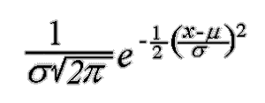
 |  |  |  | Mew | 60000 | Std() | 15,000 |  | Mew | 60000 | Stdev | 15000
 |  |  |  | Standard Mean(40000) | 40000 |  |  |  |  |  |  | 20000
 |  |  |  | Standard Mean(80000) | 80000 |  |  |  |  |  |  | 10000

 |  |  | 2 Pi() | SQRT (2 Pi()) | Den | 1/deno | (x-mew/std)
 |  | 15000 | 6.2831853072 | 2.5066282746 | 37599.424119 | 2.6596152027E-05 | 13.444444444
 | Xi | Standard Mean(60000) | Standard Mean(40000) | Standard Mean(80000) |  | Xi | Standard deviation(15000) | std DEV (20000) | std DEV (10000)
 | 5000 | 3.2018043441E-08 | 1.7481259396E-06 | 9.9114634316E-11 |  | 5000 | 3.2018043441E-08 | 4.5467812508E-07 | 1.0769760043E-11
 | 10000 | 1.0281859975E-07 | 3.5993977675E-06 | 4.9640305804E-10 |  | 10000 | 1.0281859975E-07 | 8.7641502468E-07 | 1.4867195147E-10
 | 15000 | 2.954565608E-07 | 6.6318092528E-06 | 2.2247241597E-09 |  | 15000 | 2.954565608E-07 | 1.5869825918E-06 | 1.5983741107E-09
 | 20000 | 7.5973240159E-07 | 1.0934004978E-05 | 8.922015051E-09 |  | 20000 | 7.5973240159E-07 | 2.6995483257E-06 | 1.3383022576E-08
 | 25000 | 1.7481259396E-06 | 1.6131381635E-05 | 3.2018043441E-08 |  | 25000 | 1.7481259396E-06 | 4.3138659413E-06 | 8.7268269505E-08
 | 30000 | 3.5993977675E-06 | 2.1296533701E-05 | 1.0281859975E-07 |  | 30000 | 3.5993977675E-06 | 6.4758797833E-06 | 4.4318484119E-07
 | 35000 | 6.6318092528E-06 | 2.5158881846E-05 | 2.954565608E-07 |  | 35000 | 6.6318092528E-06 | 9.1324542695E-06 | 1.7528300494E-06
 | 40000 | 1.0934004978E-05 | 2.6596152027E-05 | 7.5973240159E-07 |  | 40000 | 1.0934004978E-05 | 1.2098536226E-05 | 5.3990966513E-06
 | 45000 | 1.6131381635E-05 | 2.5158881846E-05 | 1.7481259396E-06 |  | 45000 | 1.6131381635E-05 | 1.5056871608E-05 | 1.2951759567E-05
 | 50000 | 2.1296533701E-05 | 2.1296533701E-05 | 3.5993977675E-06 |  | 50000 | 2.1296533701E-05 | 1.7603266338E-05 | 2.4197072452E-05
 | 55000 | 2.5158881846E-05 | 1.6131381635E-05 | 6.6318092528E-06 |  | 55000 | 2.5158881846E-05 | 1.933340584E-05 | 3.5206532676E-05
 | 60000 | 2.6596152027E-05 | 1.0934004978E-05 | 1.0934004978E-05 |  | 60000 | 2.6596152027E-05 | 1.994711402E-05 | 3.989422804E-05
 | 65000 | 2.5158881846E-05 | 6.6318092528E-06 | 1.6131381635E-05 |  | 65000 | 2.5158881846E-05 | 1.933340584E-05 | 3.5206532676E-05
 | 70000 | 2.1296533701E-05 | 3.5993977675E-06 | 2.1296533701E-05 |  | 70000 | 2.1296533701E-05 | 1.7603266338E-05 | 2.4197072452E-05
 | 75000 | 1.6131381635E-05 | 1.7481259396E-06 | 2.5158881846E-05 |  | 75000 | 1.6131381635E-05 | 1.5056871608E-05 | 1.2951759567E-05
 | 80000 | 1.0934004978E-05 | 7.5973240159E-07 | 2.6596152027E-05 |  | 80000 | 1.0934004978E-05 | 1.2098536226E-05 | 5.3990966513E-06
 | 85000 | 6.6318092528E-06 | 2.954565608E-07 | 2.5158881846E-05 |  | 85000 | 6.6318092528E-06 | 9.1324542695E-06 | 1.7528300494E-06
 | 90000 | 3.5993977675E-06 | 1.0281859975E-07 | 2.1296533701E-05 |  | 90000 | 3.5993977675E-06 | 6.4758797833E-06 | 4.4318484119E-07
 | 95000 | 1.7481259396E-06 | 3.2018043441E-08 | 1.6131381635E-05 |  | 95000 | 1.7481259396E-06 | 4.3138659413E-06 | 8.7268269505E-08
 | 100000 | 7.5973240159E-07 | 8.922015051E-09 | 1.0934004978E-05 |  | 100000 | 7.5973240159E-07 | 2.6995483257E-06 | 1.3383022576E-08
 | 105000 | 2.954565608E-07 | 2.2247241597E-09 | 6.6318092528E-06 |  | 105000 | 2.954565608E-07 | 1.5869825918E-06 | 1.5983741107E-09
 | 110000 | 1.0281859975E-07 | 4.9640305804E-10 | 3.5993977675E-06 |  | 110000 | 1.0281859975E-07 | 8.7641502468E-07 | 1.4867195147E-10
 | 115000 | 3.2018043441E-08 | 9.9114634316E-11 | 1.7481259396E-06 |  | 115000 | 3.2018043441E-08 | 4.5467812508E-07 | 1.0769760043E-11

Poisson Distribution
Companies can utilize the Poisson Distribution to examine how they may be able to take steps to improve their operational efficiency. For instance, an analysis done with the Poisson Distribution might reveal how a company can arrange staffing in order to be able to better handle peak periods for customer service calls. | 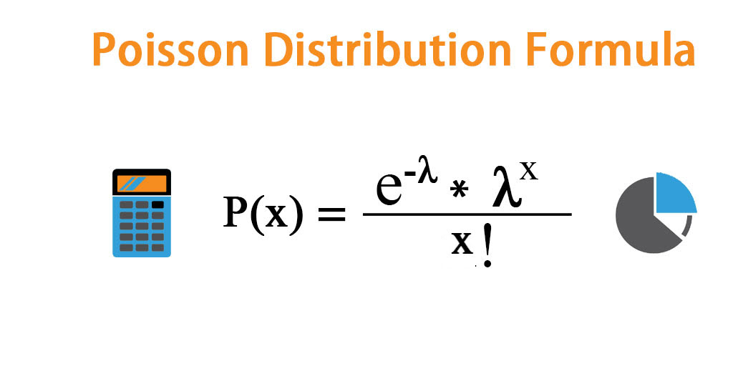
In the World Cup, an average of 2.5 goals are scored each game. Modeling this situation with a Poisson distribution, what is the probability that k goals are scored in a game?

 |  | λ | 13

 | Incoming Calls volumes | e^-λ | λ^x | x! | P(x) | excel
 | 1 | 2.260329407E-06 | 13 | 1 | 2.9384282291E-05 | 2.9384E-05
 | 2 | 2.260329407E-06 | 169 | 2 | 0.00019099783489 | 1.9100E-04
 | 3 | 2.260329407E-06 | 2197 | 6 | 0.00082765728452 | 8.2766E-04
 | 4 | 2.260329407E-06 | 28561 | 24 | 0.0026898861747 | 2.6899E-03
 | 5 | 2.260329407E-06 | 371293 | 120 | 0.0069937040542 | 6.9937E-03
 | 6 | 2.260329407E-06 | 4826809 | 720 | 0.015153025451 | 1.5153E-02
 | 7 | 2.260329407E-06 | 62748517 | 5040 | 0.02814133298 | 2.8141E-02
 | 8 | 2.260329407E-06 | 815730721 | 40320 | 0.045729666093 | 4.5730E-02
 | 9 | 2.260329407E-06 | 10604499373 | 362880 | 0.066053962134 | 6.6054E-02
 | 10 | 2.260329407E-06 | 137858491849 | 3628800 | 0.085870150774 | 8.5870E-02
 | 11 | 2.260329407E-06 | 1792160394037 | 39916800 | 0.10148290546 | 1.0148E-01
 | 12 | 2.260329407E-06 | 23298085122481 | 479001600 | 0.10993981425 | 1.0994E-01
 | 13 | 2.260329407E-06 | 302875106592253 | 6227020800 | 0.10993981425 | 1.0994E-01
 | 14 | 2.260329407E-06 | 3.9373763857E+15 | 87178291200 | 0.10208697037 | 1.0209E-01
 | 15 | 2.260329407E-06 | 5.1185893014E+16 | 1307674368000 | 0.088475374324 | 8.8475E-02
 | 16 | 2.260329407E-06 | 6.6541660918E+17 | 20922789888000 | 0.071886241638 | 7.1886E-02
 | 17 | 2.260329407E-06 | 8.6504159194E+18 | 355687428096000 | 0.054971831841 | 5.4972E-02
 | 18 | 2.260329407E-06 | 1.1245540695E+20 | 6.4023737057E+15 | 0.039701878552 | 3.9702E-02
 | 19 | 2.260329407E-06 | 1.4619202904E+21 | 1.2164510041E+17 | 0.02716444322 | 2.7164E-02
 | 20 | 2.260329407E-06 | 1.9004963775E+22 | 2.4329020082E+18 | 0.017656888093 | 1.7657E-02
 | 21 | 2.260329407E-06 | 2.4706452907E+23 | 5.1090942172E+19 | 0.010930454534 | 1.0930E-02
 | 22 | 2.260329407E-06 | 3.211838878E+24 | 1.1240007278E+21 | 0.0064589049517 | 6.4589E-03
 | 23 | 2.260329407E-06 | 4.1753905413E+25 | 2.5852016739E+22 | 0.0036506854075 | 3.6507E-03
 | 24 | 2.260329407E-06 | 5.4280077037E+26 | 6.2044840173E+23 | 0.0019774545957 | 1.9775E-03

